Screenshot
Pont 1 | We just need these highlighted pages so far
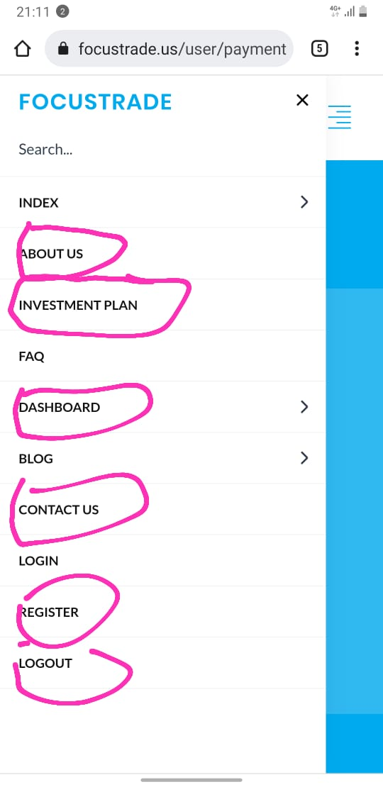
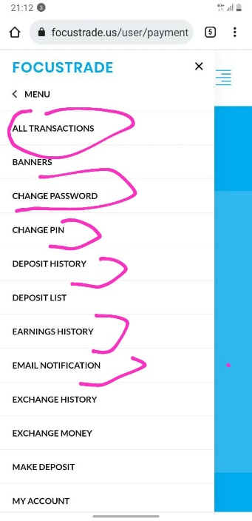

Point 2. | You Can pick data from there
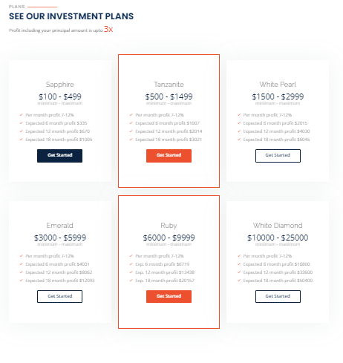

Point 3

Point 4

Point 5

point 6

